OBFCE
OBFCE | Old Bridge Mutual Fund
 | Monthly Portfolio Statement as on January 31, 2025
 | Old Bridge Focused Equity Fund

 | Name of the Instrument | ISIN | Industry* | Quantity | Market/Fair Value (Rs. in Lakhs) | % to Net Assets | YTM
 | Equity & Equity related
 | (a) Listed / awaiting listing on Stock Exchanges
BTVL02 | Bharti Airtel Limited | INE397D01024 | Telecom - Services | 460,000 | 7,480.98 | 6.49
REIN02 | Redington Limited | INE891D01026 | Commercial Services & Supplies | 3,355,000 | 6,919.02 | 6.00
HCLT02 | HCL Technologies Limited | INE860A01027 | IT - Software | 386,000 | 6,660.24 | 5.77
INAV01 | InterGlobe Aviation Limited | INE646L01027 | Transport Services | 152,143 | 6,579.20 | 5.70
IEEL02 | Indian Energy Exchange Limited | INE022Q01020 | Capital Markets | 3,720,000 | 6,495.12 | 5.63
AUPH03 | Aurobindo Pharma Limited | INE406A01037 | Pharmaceuticals & Biotechnology | 549,379 | 6,438.17 | 5.58
SHTR02 | Shriram Finance Limited | INE721A01047 | Finance | 1,177,000 | 6,399.94 | 5.55
KAVS02 | Kaveri Seed Company Limited | INE455I01029 | Agricultural Food & other Products | 603,000 | 5,447.80 | 4.72
NAGF02 | NCC Limited | INE868B01028 | Construction | 1,965,000 | 4,957.70 | 4.30
GGLT02 | Gujarat Gas Limited | INE844O01030 | Gas | 857,588 | 4,167.88 | 3.61
HINI02 | Hindalco Industries Limited | INE038A01020 | Non - Ferrous Metals | 698,981 | 4,154.04 | 3.60
GREA03 | The Great Eastern Shipping Company Limited | INE017A01032 | Transport Services | 422,000 | 4,152.48 | 3.60
TASC02 | Marksans Pharma Limited | INE750C01026 | Pharmaceuticals & Biotechnology | 1,640,947 | 3,956.32 | 3.43
GRAN02 | Granules India Limited | INE101D01020 | Pharmaceuticals & Biotechnology | 696,000 | 3,872.20 | 3.36
RAKH02 | Radico Khaitan Limited | INE944F01028 | Beverages | 151,033 | 3,290.10 | 2.85
ANTO01 | Antony Waste Handling Cell Limited | INE01BK01022 | Other Utilities | 520,000 | 3,210.74 | 2.78
SYNI01 | Syngene International Limited | INE398R01022 | Healthcare Services | 421,269 | 3,145.40 | 2.73
INFS02 | Infosys Limited | INE009A01021 | IT - Software | 166,000 | 3,120.47 | 2.71
PREP01 | Prestige Estates Projects Limited | INE811K01011 | Realty | 226,000 | 3,072.47 | 2.66
TISC03 | Tata Steel Limited | INE081A01020 | Ferrous Metals | 2,200,000 | 2,961.64 | 2.57
GLLS01 | Alivus Life Sciences Limited | INE03Q201024 | Pharmaceuticals & Biotechnology | 199,760 | 2,397.62 | 2.08
RAFO02 | Ramkrishna Forgings Limited | INE399G01023 | Auto Components | 220,000 | 1,724.58 | 1.50
BARB01 | Barbeque Nation Hospitality Limited | INE382M01027 | Leisure Services | 488,026 | 1,583.16 | 1.37
 | Sub Total |  |  |  | 102,187.27 | 88.59
 | (b) Unlisted |  |  |  | Nil | Nil | Nil
 | Sub Total |  |  |  | Nil | Nil | Nil
 | Total |  |  |  | 102,187.27 | 88.59
 | Money Market Instruments
 | TREPS / Reverse Repo
TRP_010225 | Triparty Repo |  |  |  | 12,900.00 | 11.18 | 6.50%
 | Sub Total |  |  |  | 12,900.00 | 11.18
 | Total |  |  |  | 12,900.00 | 11.18
 | Net Receivables / (Payables) |  |  |  | 254.95 | 0.23
 | GRAND TOTAL |  |  |  | 115,342.22 | 100.00

 | * Industry Classification is as recommended by AMFI

 | Notes :
 | (1) The provision made for securities classified as below investment grade or default as of January 31, 2025 is Rs.Nil and its percentage to Net Asset Value is Nil.
 | (2) Details of security in default beyond it's maturity date: Nil
 | (3) Plan/ Option wise per unit net asset value are as follows:
 | Plan/ Option | NAV Rs. per unit as on December 31, 2024 | NAV Rs. per unit as on January 31, 2025
 | Regular IDCW | 11.70 | 11.07
 | Regular Growth | 11.70 | 11.07
 | Direct IDCW | 11.82 | 11.19
 | Direct Growth | 11.82 | 11.19
 | (4) Portfolio turnover ratio: 0.17.
 | (5) Total Value and percentage of illiquid equity shares: Nil
 | (6) Total outstanding exposure in derivative instruments as on January 31, 2025: Nil
 | (7) Total investments in Foreign Securities / Overseas ETFs as on January 31, 2025 and its percentage to NAV : Nil
 | (8) Investment in Repo of Corporate Debt securities : Nil
 | (9) The Scheme did not declare any Income Distribution cum Capital Withdrawal during the month ended January 31, 2025.
 | (10) The Scheme did not declare any bonus during the month ended Januray 31, 2025.
 | (11) Investment in Fixed Deposits - NIL
 | (12) The Face Value per unit is Rs.10
 | (13) IDCW stands for Income Distribution cum Capital Withdrawal

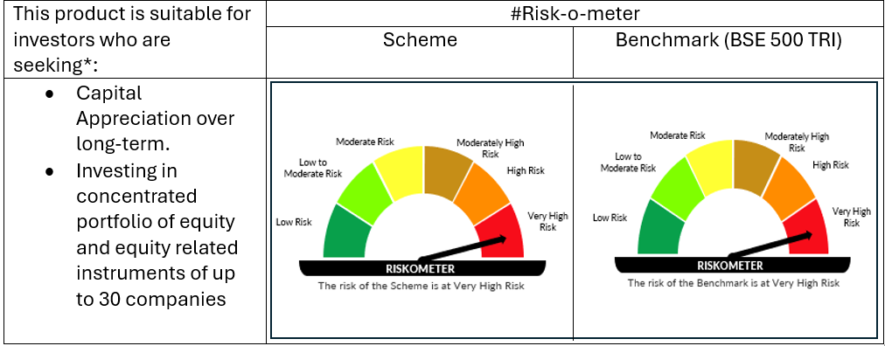

 | # For latest riskometer, investors may refer to the Monthly Portfolios disclosed on the website of the Fund viz. www.oldbridgemf.com
 | *Investors should consult their financial advisers if in doubt about whether the product is suitable for them

